Sheet1
 |  |  |  |  |  |  |  |  |  | The monthly demand for the latest computer at Newland Computers follows a normal distribution with a mean of 350 and standard deviation of 75. Newland purchases these computers for $1,200 and sells them for $2,300. It costs the company $100 to place an order and $12 for every computer held in inventory at the end of each month. Currently, the company places an order for 1000 computers whenever the inventory at the end of a month falls below 100 units. Assume that the beginning inventory is 400 units, unmet demand in any month is lost to competitors, and orders placed at the end of one month arrive at the beginning of the next month. a. Create a spreadsheet model to simulate the proﬁt that the company will earn on this product over the next two years. Use 5000 replications. What is the average level of proﬁt the company will earn? b. Suppose that the company wants to determine the optimum reorder point and order quantity. Which combination of reorder point and order quantity will provide the highest average proﬁt over the next two years?
Monthly Demand - Normally Distributed
 | Mean | 350
 | S.d | 75

CP | $1,200.00
SP | $2,300.00
Order cost | $100.00
Inventory cost | $12.00 | per computer

Initial Order | 1000
Reorder point | 100
Beginning inventory | 400 | Initial cost price | $480,000.00

Month | Demand | Beginning inventory | demand met | end inventory | Reorder? | Order cost | Inventory cost | CP | SP
1 | 1 | 400 | 1 | 399 | 0 | $- | $4,788.00 | $- | $2,300.00
2 | 2 | 399 | 2 | 397 | 0 | $- | $4,764.00 | $- | $4,600.00
3 | 3 | 397 | 3 | 394 | 0 | $- | $4,728.00 | $- | $6,900.00
4 | 4 | 394 | 4 | 390 | 0 | $- | $4,680.00 | $- | $9,200.00
5 | 5 | 390 | 5 | 385 | 0 | $- | $4,620.00 | $- | $11,500.00 | a) | The avergae level of profit that the company will earn in $7,601,547.67
6 | 6 | 385 | 6 | 379 | 0 | $- | $4,548.00 | $- | $13,800.00
7 | 7 | 379 | 7 | 372 | 0 | $- | $4,464.00 | $- | $16,100.00
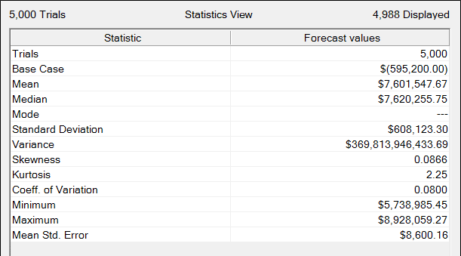
8 | 8 | 372 | 8 | 364 | 0 | $- | $4,368.00 | $- | $18,400.00
9 | 9 | 364 | 9 | 355 | 0 | $- | $4,260.00 | $- | $20,700.00
10 | 10 | 355 | 10 | 345 | 0 | $- | $4,140.00 | $- | $23,000.00
11 | 11 | 345 | 11 | 334 | 0 | $- | $4,008.00 | $- | $25,300.00
12 | 12 | 334 | 12 | 322 | 0 | $- | $3,864.00 | $- | $27,600.00
13 | 13 | 322 | 13 | 309 | 0 | $- | $3,708.00 | $- | $29,900.00
14 | 14 | 309 | 14 | 295 | 0 | $- | $3,540.00 | $- | $32,200.00
15 | 15 | 295 | 15 | 280 | 0 | $- | $3,360.00 | $- | $34,500.00
16 | 16 | 280 | 16 | 264 | 0 | $- | $3,168.00 | $- | $36,800.00
17 | 17 | 264 | 17 | 247 | 0 | $- | $2,964.00 | $- | $39,100.00
18 | 18 | 247 | 18 | 229 | 0 | $- | $2,748.00 | $- | $41,400.00
19 | 19 | 229 | 19 | 210 | 0 | $- | $2,520.00 | $- | $43,700.00
20 | 20 | 210 | 20 | 190 | 0 | $- | $2,280.00 | $- | $46,000.00
21 | 21 | 190 | 21 | 169 | 0 | $- | $2,028.00 | $- | $48,300.00
22 | 22 | 169 | 22 | 147 | 0 | $- | $1,764.00 | $- | $50,600.00
23 | 23 | 147 | 23 | 124 | 0 | $- | $1,488.00 | $- | $52,900.00
24 | 24 | 124 | 24 | 100 | 0 | $- | $1,200.00 | $- | $55,200.00

 |  |  |  |  |  |  |  |  |  | b) | As seen from the chart below, initial order of 381 and reorder point of 359 provides the maximum profit.
 |  |  |  | Total order cost |  | $-
 |  |  |  | Total inventory cost |  | $84,000.00
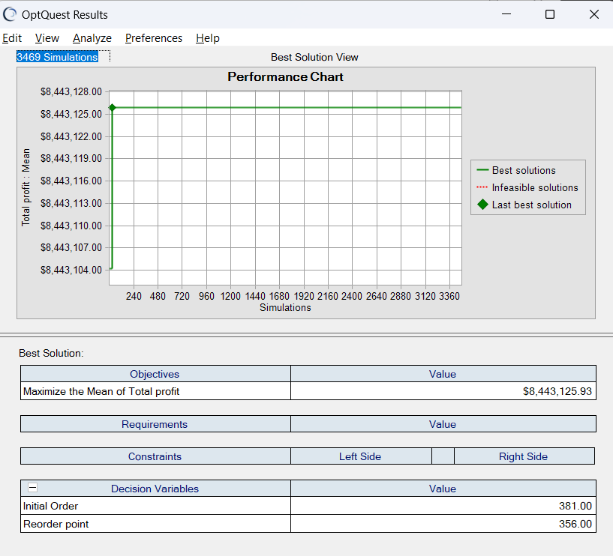
 |  |  |  | Total cost price |  | $480,000.00
 |  |  |  | Total selling price |  | $690,000.00

 |  |  |  | Total profit | $126,000.00

